MM Morph Table
Motor Mount Morph Table

Subsystems | S1 | S2 | S3 | S4
Assembly location | In-front of steering shaft | In-front of steering shaft (partial hole in floor) | In-front of steering shaft (Through hole in floor) | Behind front of steering shaft | Behind front of steering shaft (partial hole in floor) | Behind front of steering shaft (Through Hole in Floor)
Motor Mount location
 | 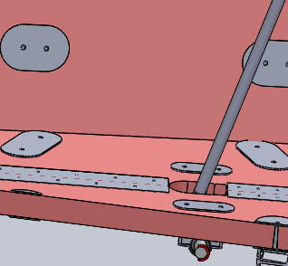 |  |  | 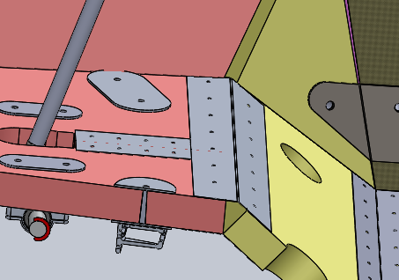
Motor Mount angle and mechanims | Parallel Mount, with motor facing upwards. Placed on an angled Base Plate. | Parallel mount (adjustable), motor facing downwards, U-joint with bearing | Angled mount (adjustable) motor facing upwards. | Angled mount (adjustable) with motor facing downwards, hole in the floor with a bearing | Angled mount (adjustable) with motor facing downwards (no bearing)
 | 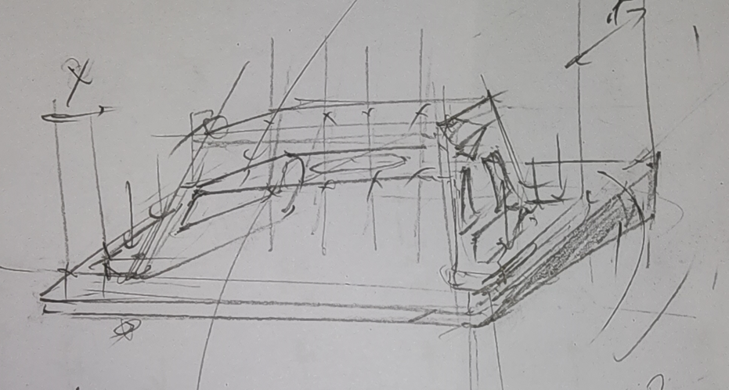 | 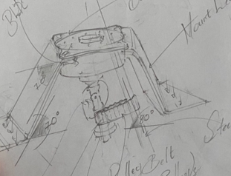 | 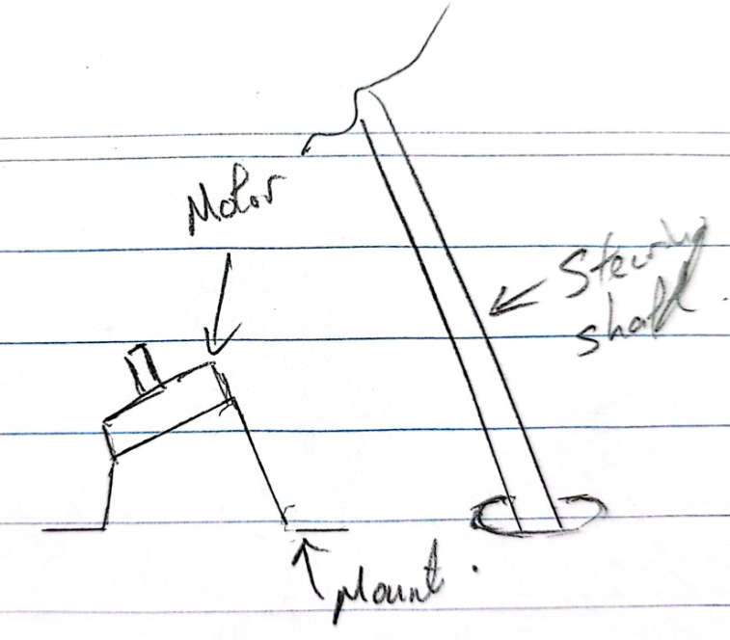 | 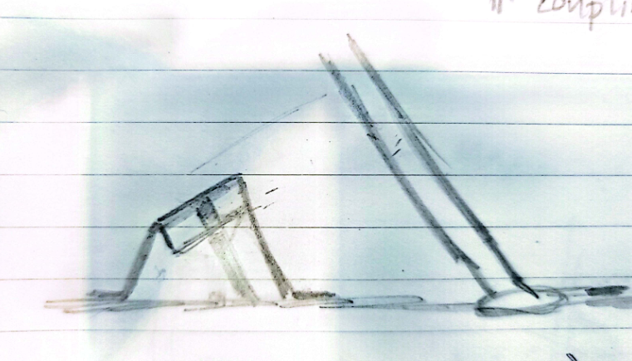
Angle Motor Mechanism | Pivot hinge with Jackscrews/Screw mechanism | Angle Base Plate (Fixed) with wedges and plate | One piece wedge motor mount | 3 plate bent plate design
 | 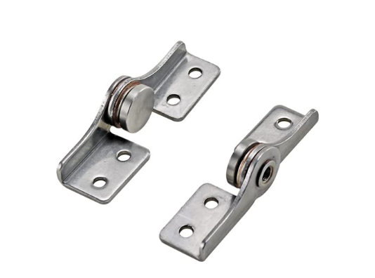 | 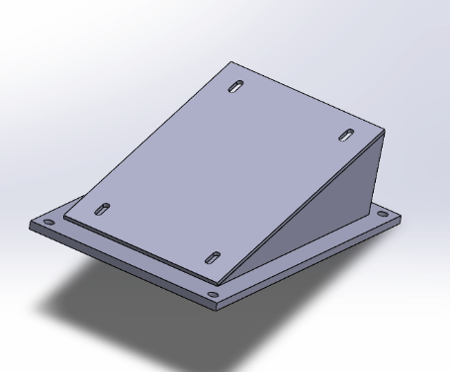 | 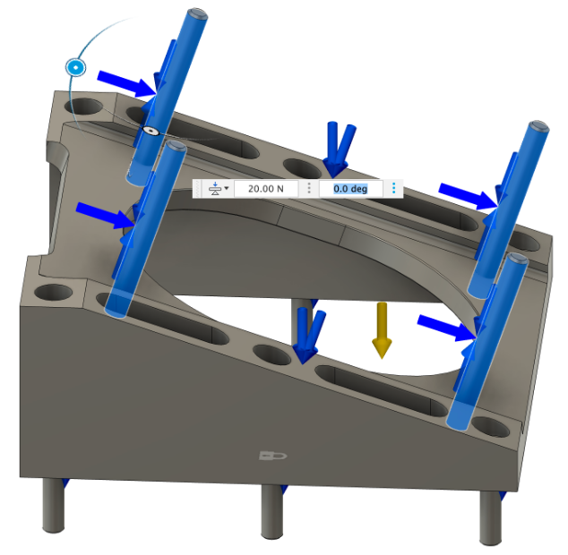 | 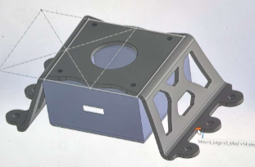
Belt Tensioner Adjustment | Oval Holes on L top of tail with adjustable bolts | Oval Holes on mount | Belt Tensioner
 | 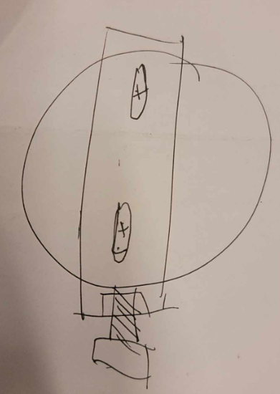 | 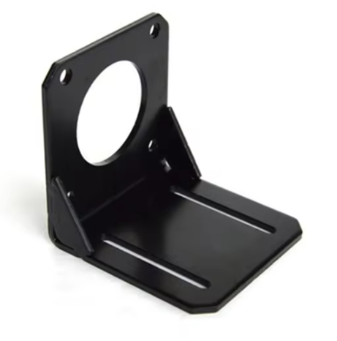 | 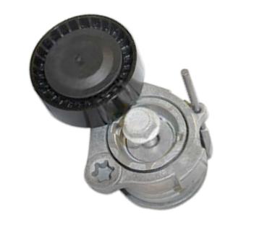
Belt Tensioner location | Single Adjustable Bolt - Front | Slot sides locking Mechanims | Side Dual Adjustable bolt | Single Adjustable Bolt - Back

Motor Mount Enclosure Plate design | Concaved billet plate | Concaved Bent Plate | Flat plate/sheet mounted on block spacer
 | 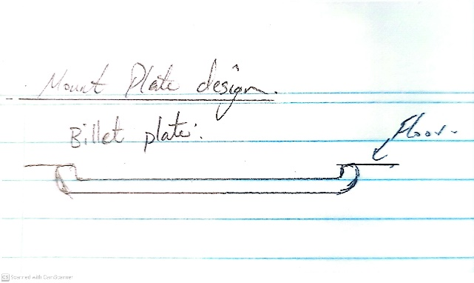 | 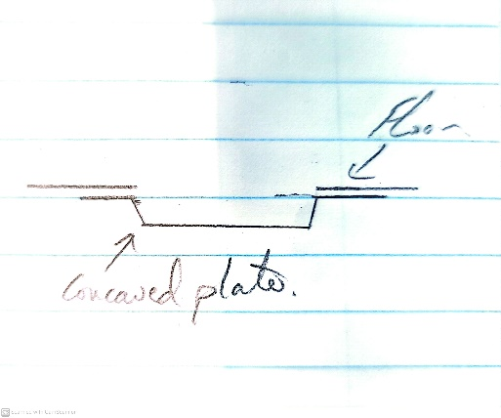 | 